GLSN of 2015_method #1
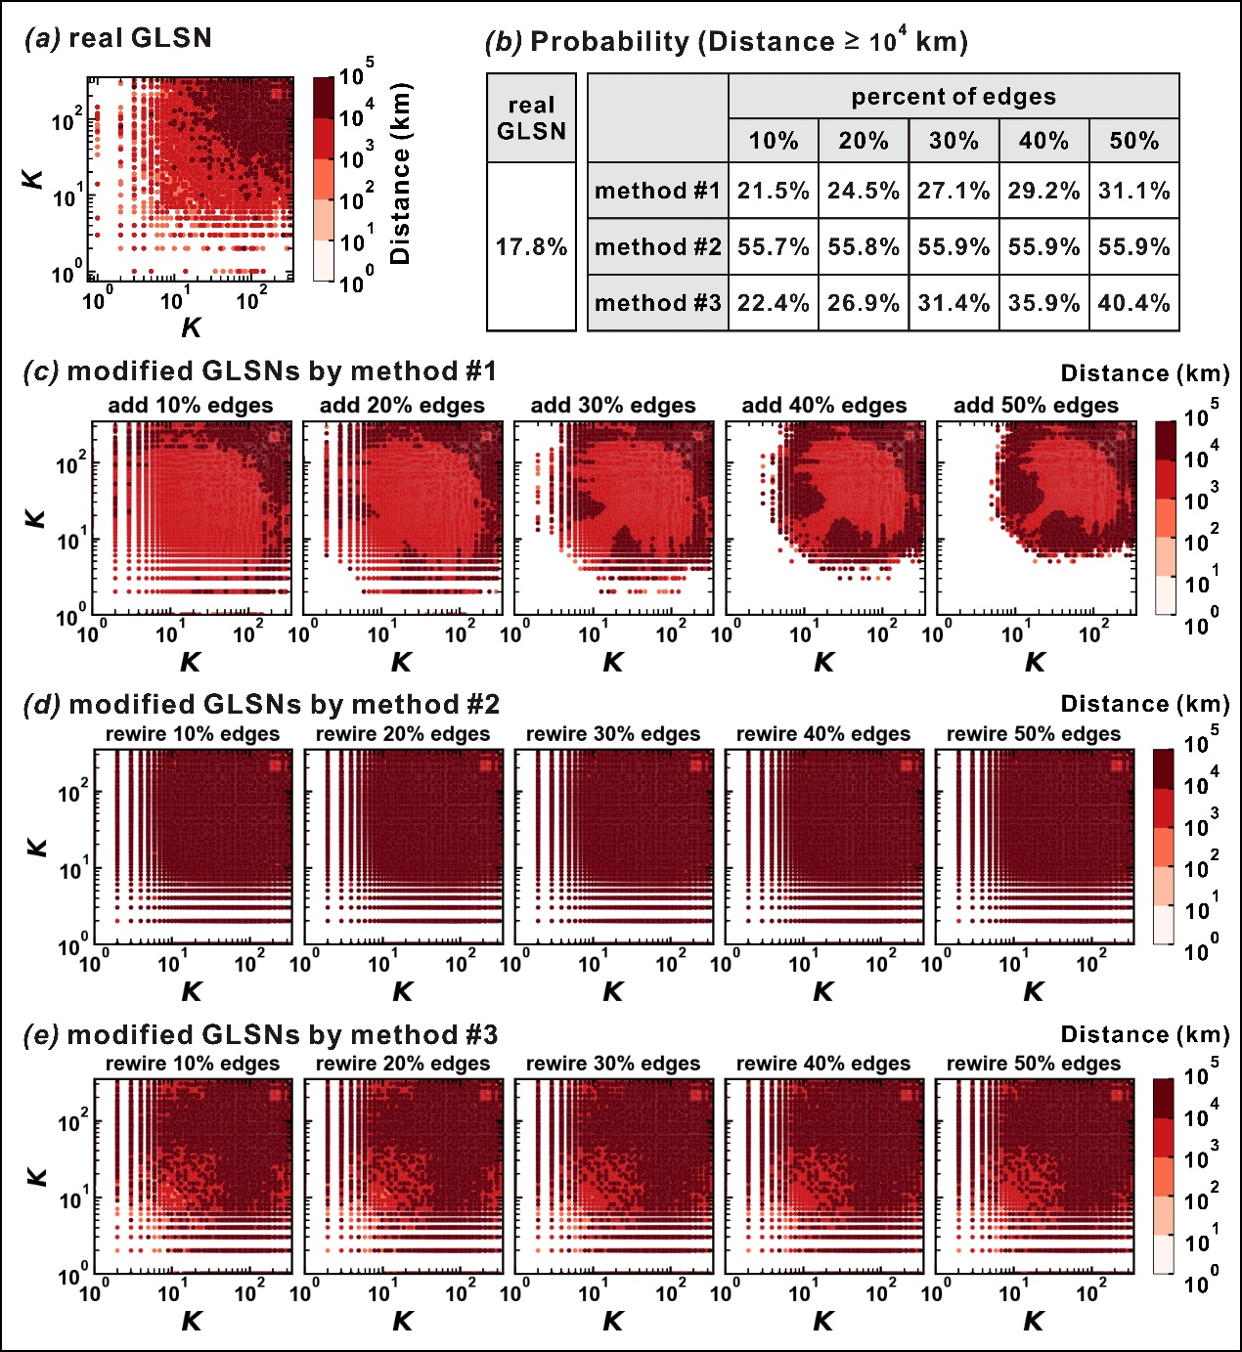
real GLSN | percent of edges: 10% | percent of edges: 20% | percent of edges: 30% | percent of edges: 40% | percent of edges: 50%
17.8 | 21.5 | 24.5 | 27.1 | 29.2 | 31.1

